Script
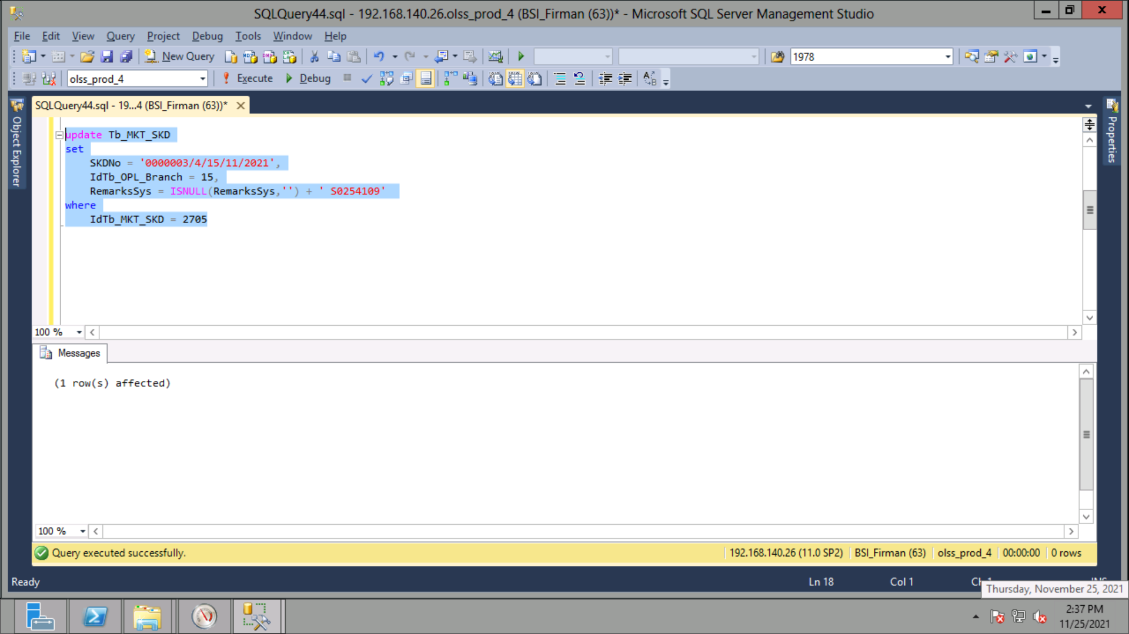
update Tb_MKT_SKD
set
 | SKDNo = '0000003/4/15/11/2021',
 | IdTb_OPL_Branch = 15,
 | RemarksSys = ISNULL(RemarksSys,'') + ' S0254109'
where
 | IdTb_MKT_SKD = 2705

Screenshot
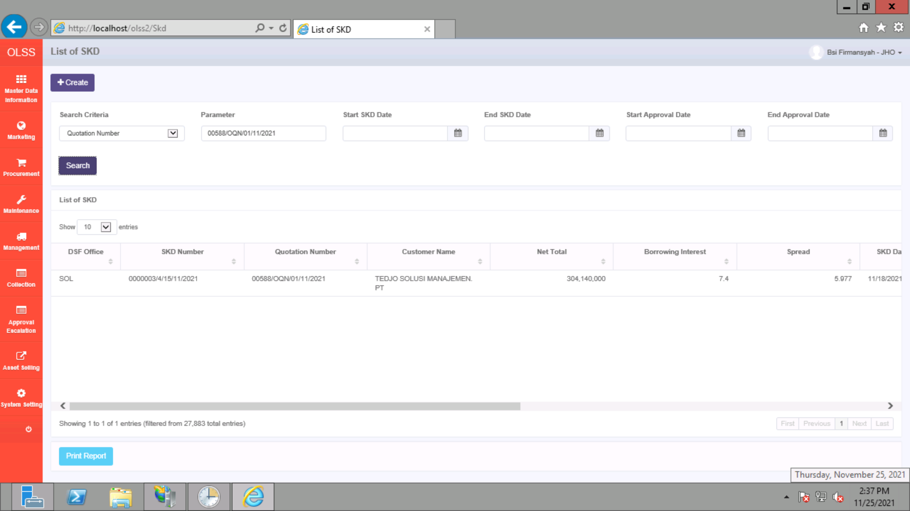
BEFORE


AFTER

